S Str&Pad
Indonesia |  |  | perc_baseline |  | perc_target |  | RR_d | RR_i | perc_fatal_side | perc_nonfatal_side |  |  |  | lcl_bl_deaths | lcl_bl_nonfatal |  | affected_deaths | rest_deaths | affected_deaths= affected_deaths* (1 - `prop_target'*(1-`RR_d'))/(1 - `prop_baseline'*(1-`RR_d'))
REG | TECHNOLOGY |  | CURRENT AVAILABILITY | INTERVENTION | COUNTERFACTUAL USE | Affected Groups | RELATIVE RISK (death) | RELATIVE RISK (injury) | PROP. OF SIDE CRASHES (death) | PROP OF SIDE CRASHES (injuries) | POPULATION AFFECTED |  |  | BASELINE DEATHS | BASELINE INJURIES | AFFECTED GROUP | AFFECTED DEATHS |  | INTERVENTION
UN 95, UN 135 | SIDE STR&PADD |  | 0 | SIDE STRUCTURE IN ALL CAR, TRUCK, BUS | 1 | Occupants | 0.79 | 0.79 | 0.25 | 0.337
 |  |  |  |  |  |  |  |  |  |  | Cause | Sex | Age | Deaths | Injuries | NO=0 / YES=1 | Deaths | Deaths | Deaths
 |  |  |  |  |  |  |  |  |  |  | Pedestrian | Male | <5 years | 100 | 445 | 0 | 100.42 | 0.00 | 100
 |  |  |  |  |  |  |  |  |  |  | Pedestrian | Male | 5-9 years | 167 | 2869 | 0 | 167.00 | 0.00 | 167
 |  |  |  |  |  |  |  |  |  |  | Pedestrian | Male | 10-14 years | 178 | 9255 | 0 | 178.10 | 0.00 | 178
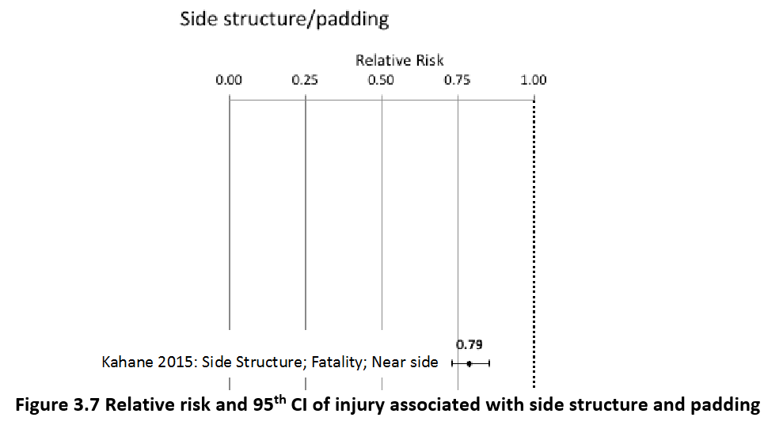
 |  |  |  |  |  |  |  |  |  |  | Pedestrian | Male | 15-19 years | 250 | 18484 | 0 | 250.23 | 0.00 | 250
 |  |  |  |  |  |  |  |  |  |  | Pedestrian | Male | 20-24 years | 262 | 23503 | 0 | 261.88 | 0.00 | 262
 |  |  |  |  |  |  |  |  |  |  | Pedestrian | Male | 25-29 years | 148 | 20607 | 0 | 147.59 | 0.00 | 148
 |  |  |  |  |  |  |  |  |  |  | Pedestrian | Male | 30-34 years | 166 | 16953 | 0 | 165.90 | 0.00 | 166
 |  |  |  |  |  |  |  |  |  |  | Pedestrian | Male | 35-39 years | 173 | 16392 | 0 | 173.11 | 0.00 | 173
 |  |  |  |  |  |  |  |  |  |  | Pedestrian | Male | 40-44 years | 191 | 15624 | 0 | 191.42 | 0.00 | 191
 |  |  |  |  |  |  |  |  |  |  | Pedestrian | Male | 45-49 years | 256 | 14204 | 0 | 255.78 | 0.00 | 256
 |  |  |  |  |  |  |  |  |  |  | Pedestrian | Male | 50-54 years | 310 | 12597 | 0 | 310.15 | 0.00 | 310
 |  |  |  |  |  |  |  |  |  |  | Pedestrian | Male | 55-59 years | 287 | 10777 | 0 | 286.85 | 0.00 | 287
 |  |  |  |  |  |  |  |  |  |  | Pedestrian | Male | 60-64 years | 329 | 8078 | 0 | 329.02 | 0.00 | 329
 |  |  |  |  |  |  |  |  |  |  | Pedestrian | Male | 65-69 years | 293 | 4800 | 0 | 292.95 | 0.00 | 293
 |  |  |  |  |  |  |  |  |  |  | Pedestrian | Male | 70-74 years | 249 | 2872 | 0 | 248.57 | 0.00 | 249
 |  |  |  |  |  |  |  |  |  |  | Pedestrian | Male | 75-79 years | 266 | 1937 | 0 | 265.77 | 0.00 | 266
 |  |  |  |  |  |  |  |  |  |  | Pedestrian | Male | 80-84 years | 166 | 893 | 0 | 166.45 | 0.00 | 166
 |  |  |  |  |  |  |  |  |  |  | Pedestrian | Male | 85+ | 90 | 283 | 0 | 89.88 | 0.00 | 90
 |  |  |  |  |  |  |  |  |  |  | Pedestrian | Female | <5 years | 50 | 457 | 0 | 49.93 | 0.00 | 50
 |  |  |  |  |  |  |  |  |  |  | Pedestrian | Female | 5-9 years | 60 | 1780 | 0 | 59.92 | 0.00 | 60
 |  |  |  |  |  |  |  |  |  |  | Pedestrian | Female | 10-14 years | 63 | 5068 | 0 | 62.70 | 0.00 | 63
 |  |  |  |  |  |  |  |  |  |  | Pedestrian | Female | 15-19 years | 106 | 10006 | 0 | 105.97 | 0.00 | 106
 |  |  |  |  |  |  |  |  |  |  | Pedestrian | Female | 20-24 years | 88 | 11615 | 0 | 88.22 | 0.00 | 88
 |  |  |  |  |  |  |  |  |  |  | Pedestrian | Female | 25-29 years | 65 | 8724 | 0 | 65.47 | 0.00 | 65
 |  |  |  |  |  |  |  |  |  |  | Pedestrian | Female | 30-34 years | 66 | 6719 | 0 | 66.03 | 0.00 | 66
 |  |  |  |  |  |  |  |  |  |  | Pedestrian | Female | 35-39 years | 73 | 6569 | 0 | 72.68 | 0.00 | 73
 |  |  |  |  |  |  |  |  |  |  | Pedestrian | Female | 40-44 years | 93 | 6579 | 0 | 93.21 | 0.00 | 93
 |  |  |  |  |  |  |  |  |  |  | Pedestrian | Female | 45-49 years | 129 | 6655 | 0 | 128.72 | 0.00 | 129
 |  |  |  |  |  |  |  |  |  |  | Pedestrian | Female | 50-54 years | 165 | 7435 | 0 | 164.79 | 0.00 | 165
 |  |  |  |  |  |  |  |  |  |  | Pedestrian | Female | 55-59 years | 161 | 7981 | 0 | 161.46 | 0.00 | 161
 |  |  |  |  |  |  |  |  |  |  | Pedestrian | Female | 60-64 years | 186 | 6948 | 0 | 185.87 | 0.00 | 186
 |  |  |  |  |  |  |  |  |  |  | Pedestrian | Female | 65-69 years | 138 | 5296 | 0 | 137.60 | 0.00 | 138
 |  |  |  |  |  |  |  |  |  |  | Pedestrian | Female | 70-74 years | 184 | 4288 | 0 | 183.65 | 0.00 | 184
 |  |  |  |  |  |  |  |  |  |  | Pedestrian | Female | 75-79 years | 174 | 3516 | 0 | 174.22 | 0.00 | 174
 |  |  |  |  |  |  |  |  |  |  | Pedestrian | Female | 80-84 years | 109 | 2291 | 0 | 109.30 | 0.00 | 109
...
Indonesia |  |  | perc_baseline |  | perc_target |  | RR_d | RR_i | perc_fatal_side | perc_nonfatal_side
TOTAL | 36619 | 2356389 | 36465 | 2321358
 |  | Red.Per. | 0.0042 | 0.014866184263 |  |  |  |  |  |  | Bicyclist | Male | 50-54 years | 99
 |  |  |  |  |  |  |  |  |  |  | Bicyclist | Male | 55-59 years | 95
SIDE STR&PADD | BASELINE DEATHS | BASELINE INJURIES | SIDE STR&PADD | SIDE STR&PADD |  |  |  |  |  |  | Bicyclist | Male | 60-64 years | 98
Pedestrian | 5859 | 283703 | 5859 | 283703 |  |  |  |  |  |  | Bicyclist | Male | 65-69 years | 83
Bicyclist | 1099 | 588031 | 1099 | 588031 |  |  |  |  |  |  | Bicyclist | Male | 70-74 years | 57
Motorcyclist | 26366 | 905241 | 26366 | 905241 |  |  |  |  |  |  | Bicyclist | Male | 75-79 years | 7
Occupant | 2930 | 494991 | 2776 | 459960 |  |  |  |  |  |  | Bicyclist | Male | 80-84 years | 5
Other | 366 | 84423 | 366 | 84423 |  |  |  |  |  |  | Bicyclist | Male | 85+ | 6
TOTAL | 36619 | 2356389 | 36465 | 2321358 |  |  |  |  |  |  | Bicyclist | Female | <5 years | 5
Indonesia
 | BASELINE DEATHS | SIDE STR&PADD
Pedestrian | 5859 | 5859
Bicyclist | 1099 | 1099
Motorized Two Wheeler | 26366 | 26366
Motorized Three Wheeler | 0 | 0
Car | 2930 | 2776
Bus | 0 | 0
Truck | 0 | 0
Other | 366 | 366
 |  |  |  |  |  |  |  |  |  |  | Bicyclist | Female | 5-9 years | 5
Indonesia
 | BASELINE INJURIES | SIDE STR&PADD
Pedestrian | 283703 | 283703
Bicyclist | 588031 | 588031
Motorized Two Wheeler | 905241 | 905241
Motorized Three Wheeler | 0 | 0
Car | 494991 | 459960
Bus | 0 | 0
Truck | 0 | 0
Other | 84423 | 84423
 |  |  |  |  |  |  |  |  |  |  | Bicyclist | Female | 10-14 years | 6
 |  |  |  |  |  |  |  |  |  |  | Bicyclist | Female | 15-19 years | 9
 |  |  |  |  |  |  |  |  |  |  | Bicyclist | Female | 20-24 years | 7
 |  |  |  |  |  |  |  |  |  |  | Bicyclist | Female | 25-29 years | 6
 |  |  |  |  |  |  |  |  |  |  | Bicyclist | Female | 30-34 years | 8
 |  |  |  |  |  |  |  |  |  |  | Bicyclist | Female | 35-39 years | 8
 |  |  |  |  |  |  |  |  |  |  | Bicyclist | Female | 40-44 years | 12
 |  |  |  |  |  |  |  |  |  |  | Bicyclist | Female | 45-49 years | 13
 |  |  |  |  |  |  |  |  |  |  | Bicyclist | Female | 50-54 years | 15
 |  |  |  |  |  |  |  |  |  |  | Bicyclist | Female | 55-59 years | 15
 |  |  |  |  |  |  |  |  |  |  | Bicyclist | Female | 60-64 years | 13
 |  |  |  |  |  |  |  |  |  |  | Bicyclist | Female | 65-69 years | 12
 |  |  |  |  |  |  |  |  |  |  | Bicyclist | Female | 70-74 years | 12
 |  |  |  |  |  |  |  |  |  |  | Bicyclist | Female | 75-79 years | 2
 |  |  |  |  |  |  |  |  |  |  | Bicyclist | Female | 80-84 years | 2
 |  |  |  |  |  |  |  |  |  |  | Bicyclist | Female | 85+ | 4
 |  |  |  |  |  |  |  |  |  |  | Motorized Two Wheeler | Male | <5 years | 348
 |  |  |  |  |  |  |  |  |  |  | Motorized Two Wheeler | Male | 5-9 years | 374
 |  |  |  |  |  |  |  |  |  |  | Motorized Two Wheeler | Male | 10-14 years | 644
 |  |  |  |  |  |  |  |  |  |  | Motorized Two Wheeler | Male | 15-19 years | 4651
Indonesia
Indonesia
 |  |  |  |  |  |  |  |  |  |  | Motorized Two Wheeler | Male | 20-24 years | 4745
 |  |  |  |  |  |  |  |  |  |  | Motorized Two Wheeler | Male | 25-29 years | 2545
 |  |  |  |  |  |  |  |  |  |  | Motorized Two Wheeler | Male | 30-34 years | 1684
 |  |  |  |  |  |  |  |  |  |  | Motorized Two Wheeler | Male | 35-39 years | 1624
 |  |  |  |  |  |  |  |  |  |  | Motorized Two Wheeler | Male | 40-44 years | 1645
 |  |  |  |  |  |  |  |  |  |  | Motorized Two Wheeler | Male | 45-49 years | 1444
 |  |  |  |  |  |  |  |  |  |  | Motorized Two Wheeler | Male | 50-54 years | 1325
 |  |  |  |  |  |  |  |  |  |  | Motorized Two Wheeler | Male | 55-59 years | 1130
 |  |  |  |  |  |  |  |  |  |  | Motorized Two Wheeler | Male | 60-64 years | 524
 |  |  |  |  |  |  |  |  |  |  | Motorized Two Wheeler | Male | 65-69 years | 406
 |  |  |  |  |  |  |  |  |  |  | Motorized Two Wheeler | Male | 70-74 years | 236
 |  |  |  |  |  |  |  |  |  |  | Motorized Two Wheeler | Male | 75-79 years | 82
 |  |  |  |  |  |  |  |  |  |  | Motorized Two Wheeler | Male | 80-84 years | 54
 |  |  |  |  |  |  |  |  |  |  | Motorized Two Wheeler | Male | 85+ | 41
 |  |  |  |  |  |  |  |  |  |  | Motorized Two Wheeler | Female | <5 years | 77
 |  |  |  |  |  |  |  |  |  |  | Motorized Two Wheeler | Female | 5-9 years | 90
 |  |  |  |  |  |  |  |  |  |  | Motorized Two Wheeler | Female | 10-14 years | 118
 |  |  |  |  |  |  |  |  |  |  | Motorized Two Wheeler | Female | 15-19 years | 430
 |  |  |  |  |  |  |  |  |  |  | Motorized Two Wheeler | Female | 20-24 years | 344
 |  |  |  |  |  |  |  |  |  |  | Motorized Two Wheeler | Female | 25-29 years | 230
 |  |  |  |  |  |  |  |  |  |  | Motorized Two Wheeler | Female | 30-34 years | 159
 |  |  |  |  |  |  |  |  |  |  | Motorized Two Wheeler | Female | 35-39 years | 150
 |  |  |  |  |  |  |  |  |  |  | Motorized Two Wheeler | Female | 40-44 years | 226
 |  |  |  |  |  |  |  |  |  |  | Motorized Two Wheeler | Female | 45-49 years | 279
 |  |  |  |  |  |  |  |  |  |  | Motorized Two Wheeler | Female | 50-54 years | 249
 |  |  |  |  |  |  |  |  |  |  | Motorized Two Wheeler | Female | 55-59 years | 236
 |  |  |  |  |  |  |  |  |  |  | Motorized Two Wheeler | Female | 60-64 years | 79
 |  |  |  |  |  |  |  |  |  |  | Motorized Two Wheeler | Female | 65-69 years | 62
 |  |  |  |  |  |  |  |  |  |  | Motorized Two Wheeler | Female | 70-74 years | 58
 |  |  |  |  |  |  |  |  |  |  | Motorized Two Wheeler | Female | 75-79 years | 24
 |  |  |  |  |  |  |  |  |  |  | Motorized Two Wheeler | Female | 80-84 years | 19
...

